Voltage Divider
Voltage Divider Calculator (Assumming only using 2 resistors as shown) |  |  | Input
 |  |  | Output
Method 1: Known Resistors |  |  | Possibly Helpful
Resistor 1 | 100 | Ohms
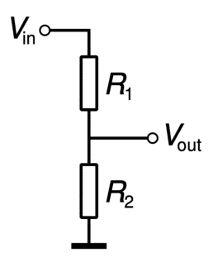
Resistor 2 | 330 | Ohms
Vin/Vout Ratio | 1.303030303 | - | Useful for seeing what your voltage input needs to be roughly to get desired voltage output
Vout/Vin Ratio | 0.76744186047 | -
Voltage Input | 3.85 | Volts
Voltage Output | 2.9546511628 | Volts
Method 2: Known Desired Voltage Out
Voltage Input | 3.85 | Volts
Voltage Out | 3.3 | Volts
R1/R2 Ratio | 0.16666666667 | - | Used to find out if you have resistors that are close to this ratio…
R2/R1 Ratio | 6 | -
Resistor 1 | 100 | Ohms
Resistor 2 | 600 | Ohms
Method 3: Known Desired Voltage Out
Voltage Input | 3.85 | Volts
Voltage Out | 3.3 | Volts
R1/R2 Ratio | 0.16666666667 | - | Used to find out if you have resistors that are close to this ratio…
R2/R1 Ratio | 6 | -
Resistor 1 | 55 | Ohms
Resistor 2 | 330 | Ohms

